calcs
slice # | x_c | y_cb | dx | alpha | dl | h1 | h2 | h3 | dload | w | piezo_y | hw | u | mat | phi | c | R | Q_m | Q_f | Q*cos(a-theta)
1 | 65.461437242 | 70.996905516 | 9.8681607879 | 65.898203735 | 24.165400782 | 13.003094484 | 0 | 0 | 0 | 16681.161524 | 79.127180837 | 8.1302753204 | 507.32917999 | 1 | 28 | 200 | 120 | 17924.678292 | 17924.678292 | 9720.9338419
2 | 75.32959803 | 53.173276519 | 9.8681607879 | 56.159052742 | 17.720146408 | 20 | 10.826723481 | 0 | 0 | 38477.999822 | 78.973275835 | 25.799999316 | 1609.9199573 | 1 | 28 | 200 | 120 | 35915.373655 | 35915.373655 | 24301.460781
3 | 85.197758818 | 40.403784771 | 9.8681607879 | 48.447825359 | 14.877331831 | 20 | 23.596215229 | 0 | 0 | 53599.367552 | 78.17315469 | 37.769369919 | 2356.8086829 | 1 | 28 | 200 | 120 | 40024.378459 | 40024.378459 | 30791.246891
4 | 95.065919606 | 30.498364308 | 9.8681607879 | 41.768101924 | 13.230811831 | 20 | 24 | 9.5016356922 | 0 | 66454.325394 | 77.373033545 | 46.874669238 | 2924.9793604 | 1 | 28 | 200 | 120 | 39647.083998 | 39647.083998 | 33240.247541
5 | 105 | 22.532056552 | 10 | 35.685334929 | 12.311740258 | 20 | 24 | 17.467943448 | 25000 | 102857.68535 | 76.567567568 | 54.035511016 | 3371.8158874 | 1 | 28 | 200 | 120 | 45140.568121 | 45140.568121 | 40240.074837
6 | 115 | 16.076951546 | 10 | 30.000000153 | 11.547005402 | 20 | 24 | 23.923048454 | 25000 | 111378.42396 | 75.357142857 | 59.280191311 | 3699.0839378 | 1 | 28 | 200 | 120 | 37150.122326 | 37150.122326 | 34621.85577
7 | 125 | 10.912878854 | 10 | 24.624318463 | 11.000381974 | 20 | 24 | 29.087121146 | 25000 | 118194.99991 | 73.214285714 | 62.301406861 | 3887.6077881 | 1 | 28 | 200 | 120 | 27807.836015 | 27807.836015 | 26746.028686
8 | 135 | 6.8629150102 | 10 | 19.471220714 | 10.606601723 | 20 | 24 | 33.13708499 | 25000 | 123540.95219 | 71.071428571 | 64.208513561 | 4006.6112462 | 1 | 28 | 200 | 120 | 17569.463009 | 17569.463009 | 17262.199106
9 | 145 | 3.8104996138 | 10 | 14.477512241 | 10.327955592 | 20 | 24 | 36.189500386 | 25000 | 127570.14051 | 68.5 | 64.689500386 | 4036.6248241 | 1 | 28 | 200 | 120 | 6498.529847 | 6498.529847 | 6465.9743626
10 | 156.175 | 1.4857840806 | 12.35 | 9.0255563596 | 12.504828966 | 15 | 24 | 38.514215919 | 0 | 122436.37479 | 65.1475 | 63.661715919 | 3972.4910734 | 1 | 28 | 200 | 120 | -3148.4892769 | -3148.4892769 | -3148.4501739
11 | 168.525 | 0.17481744224 | 12.35 | 3.0930869417 | 12.368017877 | 5 | 24 | 39.825182558 | 0 | 108518.51261 | 61.4425 | 61.267682558 | 3823.1033916 | 1 | 28 | 200 | 120 | -13968.234845 | -13968.234845 | -13900.44933
12 | 179.63333333 | 0.089482437018 | 9.8666666667 | -2.2128037637 | 9.874029602 | 0 | 20 | 39.910517563 | 0 | 75659.458074 | 56.553846154 | 56.464363717 | 3523.3762959 | 2 | 32 | 100 | 120 | -19201.26914 | -19201.26914 | -18851.499309
13 | 189.5 | 0.87926293042 | 9.8666666667 | -6.9401990652 | 9.9394952482 | 0 | 12 | 39.12073707 | 0 | 65158.847959 | 52 | 51.12073707 | 3189.9339931 | 2 | 32 | 100 | 120 | -22815.576746 | -22815.576746 | -21966.499761
14 | 199.36666667 | 2.4999338062 | 9.8666666667 | -11.715696791 | 10.07659007 | 0 | 4 | 37.500066194 | 0 | 53576.086211 | 44 | 41.500066194 | 2589.6041305 | 2 | 32 | 100 | 120 | -25194.468183 | -25194.468183 | -23605.773106
15 | 209.31189027 | 5.0100257143 | 10.023780536 | -16.614591865 | 10.460509033 | 0 | 0 | 34.989974286 | 0 | 46296.600664 | 40 | 34.989974286 | 2183.3743954 | 3 | 27 | 400 | 120 | -27625.852737 | -27625.852737 | -24964.791076
16 | 219.3356708 | 8.4905910055 | 10.023780536 | -21.682559946 | 10.787014979 | 0 | 0 | 31.509408995 | 0 | 41691.328878 | 40 | 31.509408995 | 1966.1871213 | 3 | 27 | 400 | 120 | -31605.921556 | -31605.921556 | -27254.239827
17 | 229.35945134 | 13.018459303 | 10.023780536 | -26.936030652 | 11.243562748 | 0 | 0 | 26.981540697 | 0 | 35700.329607 | 40 | 26.981540697 | 1683.6481395 | 3 | 27 | 400 | 120 | -34426.318418 | -34426.318418 | -27965.447819
18 | 239.38323188 | 18.734016308 | 10.023780536 | -32.44752375 | 11.878161085 | 0 | 0 | 21.265983692 | 0 | 28137.853051 | 40 | 21.265983692 | 1326.9973824 | 3 | 27 | 400 | 120 | -35251.95018 | -35251.95018 | -26529.148466
19 | 249.40701241 | 25.853324522 | 10.023780536 | -38.320402218 | 12.776379649 | 0 | 0 | 14.146675478 | 0 | 18718.018482 | 40 | 14.146675478 | 882.75254985 | 3 | 27 | 400 | 120 | -32436.523131 | -32436.523131 | -22096.634541
20 | 259.43079295 | 34.72725405 | 10.023780536 | -44.715740215 | 14.105956822 | 0 | 0 | 5.2727459496 | 0 | 6976.5759654 | 40 | 5.2727459496 | 329.01934725 | 3 | 27 | 400 | 120 | -22024.344332 | -22024.344332 | -13114.254254

This solution is based on the equations from Steve Wright in my lecture notes.
 |  |  |  |  |  |  |  |  |  |  |  |  |  | theta | 8.74 |  |  |  | SumQ_f | -20.9
 |  |  |  |  |  |  |  |  |  |  |  |  |  |  |  |  |  |  | SumQ_m | -7.2
 |  |  |  |  |  |  |  |  |  |  |  |  |  | FS_moment | 1.806
 |  |  |  |  |  |  |  |  |  |  |  |  |  | FS_force | 1.806
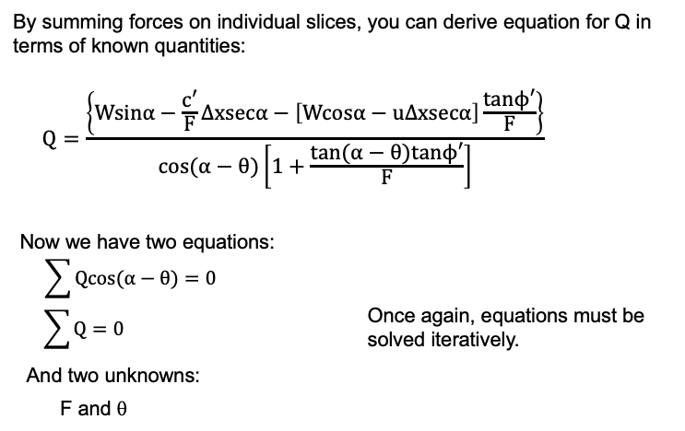

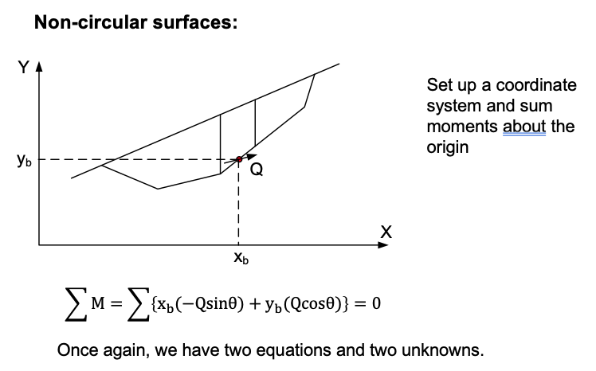
 |  |  |  |  |  |  |  |  |  |  |  |  |  |  |  |  |  |  | Unit weight of water: | 62.4
 |  |  |  |  |  |  |  |  |  |  |  |  |  |  |  |  |  |  | Tension crack depth: | 0
 |  |  |  |  |  |  |  |  |  |  |  |  |  |  |  |  |  |  | Depth of water in crack: | 0
 |  |  |  |  |  |  |  |  |  |  |  |  |  |  |  |  |  |  | Seismic coefficient (k): | 0

 |  |  | ^Use this for circular

